Hiearchy View
CLASS: TELEPHONE
a telecommunications device that permits two or more users to conduct a conversation when they are too far apart to be heard directly. |  | 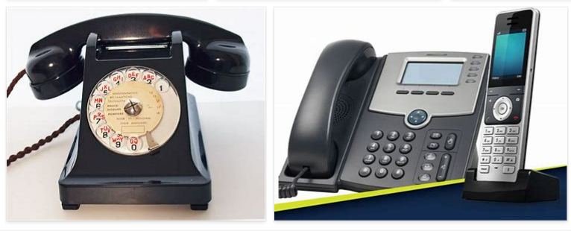
REMOVE | N

PROBLEM_DESC | CAUSE_DESC | REMEDY_DESC
BROKEN/DAMAGED
NOISE
OTHER PROBLEM
POWER-ELEC
STOPPED/SLOWED/POOR OPS
TEMP-CTRL
Grand Total

